Color Code Legend
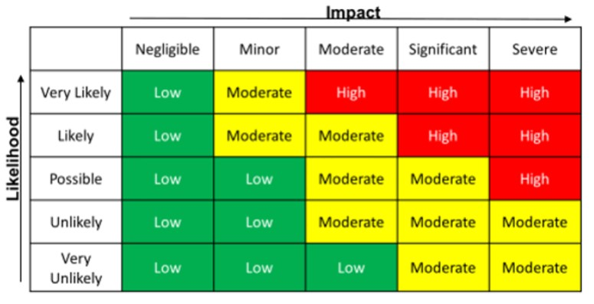
High
Medium
Low
Not Assigned

Operational
Schedule
Financial
Other

